QHSE Audit Checklist 4
INSERT LOGO

 |  |  |  |  |  | SDWA-QHSE-F-13E-2025
 |  |  |  |  |  | REVISION:1
HSE INTERNAL AUDIT NON-CONFORMITY REPORT
Audit Title: HSEMS Internal Audit Audit Date:- October 15th-17th and 20th, 2025
Audit Team:
Department Audited: Quality, Health, Safety & Environment

NCR. REF. NO. | Criteria | Findings /Action Items | Classification (Major/Minor) | Corrective / Preventive Actions | Responsible Person | Target Closeout Date
043+ | HSE Manual-2.8.8-10, Induction Program, Stop Work Authority, Safety Policy | Reviwed 2025 obectives and targets analysis sheet which shows that monthly UAUC targets are not been met consistently. | Minor | Set realistic, department-specific UAUC targets. Continue to monitor monthly and provide feedback during GQHSE meetings. | HOD | January 28, 2026
044+ | HSE Handbook | Verified that HSE Staff Handbook was not issued to all Staff -Lilian 2019, favor 2024 | Minor | Distribute updated handbooks to all employees. Maintain issuance logs and confirm acknowledgment. | HOD | February 25, 2026
045+ | Emergency Response Procedure Pg 17 | Observed that Smoke detectors not availiable in the offices | Minor | Install smoke detectors in all office areas. Include them in routine safety inspections and maintenance logs. | HOD | March 25 ,2026
046+ | All Department- Safety Focal Point | Obsolete sgned Critical task Position sighted | Minor | Replace with updated documentation aligned with current roles and responsibilities | HOD | February 25, 2026
047+ | HSEMS Manual | QHSE Procedures are not known by a number of staff | Major | Conduct refresher training and include QHSE procedures in onboarding, GQHSE Meetings and toolbox talks. | HOD | February 25, 2026
048+ | HSE Manual 2-2.8.6 | sighted HSE action trackers for audits, drills, mfe, incident reporting etc. noticed closeout evidence is missing in incident tracker. | Minor | Update the tracker format to include verification fields. | Tona Kadiri ( HSE Manager) | February 25, 2026
NOTE: Where NCR Reference number is indicated with a + sign, it means this finding is occuring in more than one department and may likely be a systemic issue.

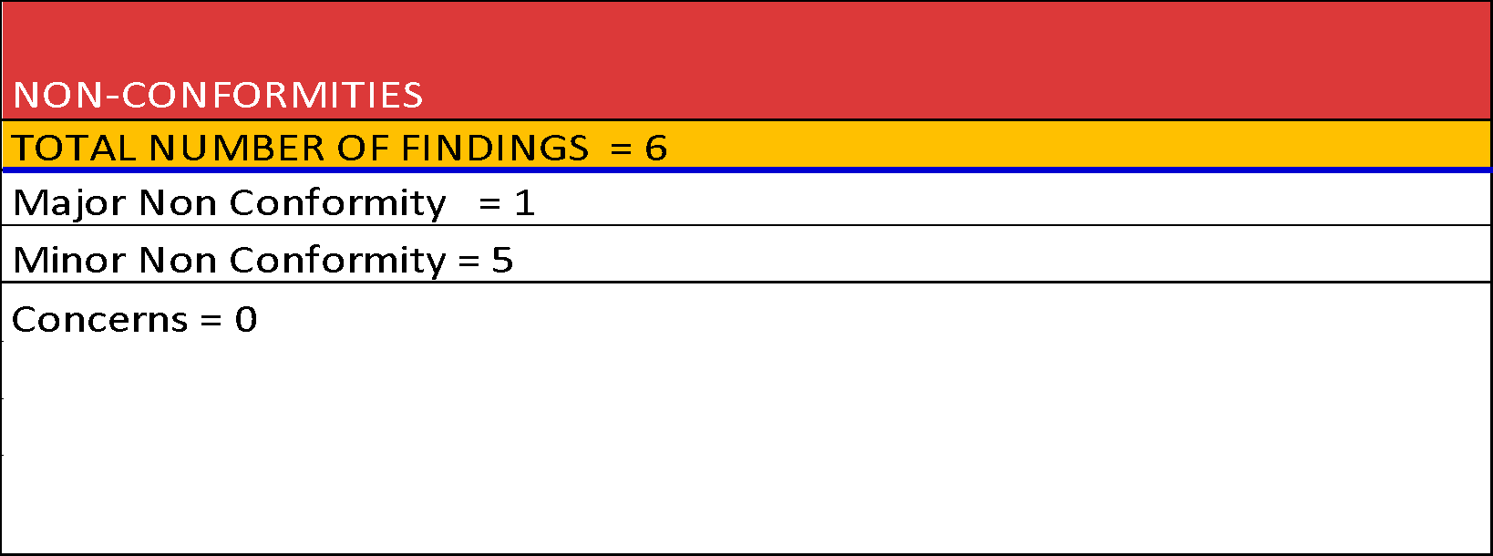
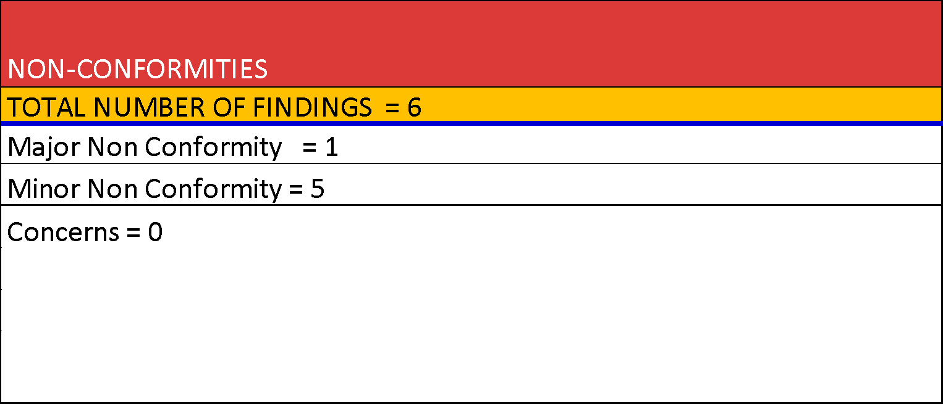

Prepared by:
Audit Team Lead Revew:

HUMAN RESOURCES 5
INSERT LOGO

 |  |  |  |  |  | SWDA-QHSE-F-13e-2025
 |  |  |  |  |  | REVISION:1
HSE INTERNAL AUDIT NON-CONFORMITY REPORT
Audit Title: HSEMS Internal Audit Audit Date:- October 15th-17th and 20th, 2025
Audit Team:
Department Audited: Quality, Health, Safety & Environment

NCR. REF. NO. | Criteria | Findings / Non Conformities | Classification (Major/Minor) | Corrective/Preventive Actions | Responsible Person | Target Closeout Date
R049 | Safety handbook (24-31), SWDA 9 Life Saving rules, HWO/logistics/SHDEM Emergency response procedure PG 16 | Only one staff knows the golden rules but non has knowledge of the life saving rules. | Minor | Organize mandatory refresher training on the Golden Rules and Life-Saving Rules. Display visual reminders in common areas. | (QHSE Supv.) | January 28, 2026 / Ongoing LSR
R050+ | HSE Manual-2.8.8-10, Induction Program, Stop Work Authority, Safety Policy | STOP reporting participation is very poor | Minor | Launch a STOP card awareness campaign, provide training on hazard observation, and continue monthly recognition for quality STOP submissions | (GQHSE Manager) | January 28, 2026
R051 | Emergency Response Procedure | No standby vehicle to evacuate personnel in the event of an emergency | Major | Designate a dedicated emergency response vehicle and conduct regular readiness checks. | MTCE HOD | January 28, 2026
R052+ | Safety Handbook 2.0, SWDA QHSE Policies, 2025 HSE Plan, | Sighted the HSE policies the hard copy but non was pasted | Concern | Post HSE policies in strategic locations (e.g., notice boards, entrances, officies). Digitally circulate to all staff. | (QHSE Supv.) | January 28, 2026
R053+ | 2025 HSE Objectives and Targets, Internal audit reports. | Identified HSE objectives only known by 1 staff | Minor | Conduct awareness sessions on HSE objectives. Include them in onboarding and display them in work areas. | (GQHSE Manager) | January 28, 2026
R054+ | SWDA HSE Handbook | Verified that HSE Staff Handbook was not issued to all Staff 2018 | Minor | Update the handbook and distribute to all employees. Require acknowledgment of receipt. | (GQHSE Manager) | February 25, 2026
R055+ | Emergency Response Procedure Pg 17 | Smoke detectors not availiable in the offices | Minor | . Install smoke detectors in all office areas and test them regularly. | (GQHSE Manager) | March 25 ,2026
R056+ | Safety Handbook (2.1 & 2.2), HSE Manual (pg 38), 2025 HSE Plan Reniassance contract, departmental organogram | Obsolete organogram sighted | Minor | Update the organizational chart to reflect current structure. Share with all departments. | HRM | January 28, 2026
R057+ | HSEMS Manual, HSE Competence Procedure | HSE Training plan sighted for staff and although no HR personnel is trained | Concern | Include HR staff in upcoming Relevant HSE training sessions. Emphasize their role in onboarding and compliance. | (GQHSE Manager) | Ongoing

NOTE: Where NCR Reference number is indicated with a + sign, it means this finding is occuring in more than one department and may likely be a systemic issue.

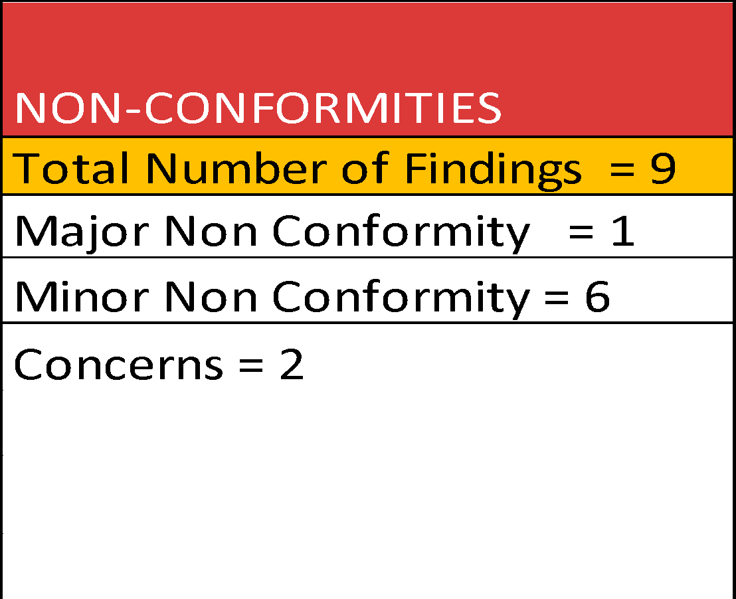
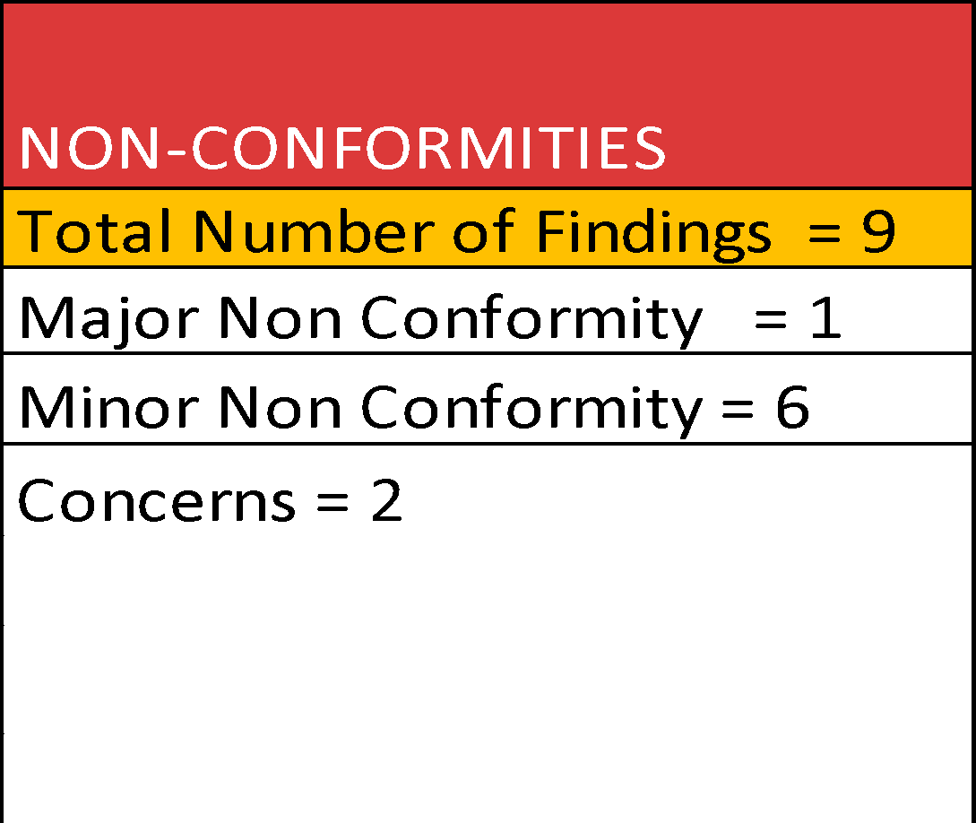

Prepared by:

Audit Team Lead Revew:

MAINTENANCE 7
INSERT LOGO

 |  |  |  |  |  | SWDA-QHSE-F-3e-2025
HSE INTERNAL AUDIT NON-CONFORMITY REPORT |  |  |  |  |  | REVISION:1
Audit Title: HSEMS Internal Audit Audit Date:- October 15th-17th and 20th, 2025
Audit Team:
Department Audited:

NCR. REF. NO. | Criteria | Findings / Non Conformities | Classification (Major/Minor) | Corrective/Preventive Actions | Responsible Person | Target Closeout Date
64+ | Safety Policy | Very poor attendance of subordinate during safety meetings | Concern | Implement a mandatory attendance policy for key staff. Track attendance and follow up on absences. | HOD | January 28, 2026
65+ | Safety handbook (24-31), 9 Life Saving rules, HWO/logistics/SHDEM Emergency response procedure PG 16 | Interview 4 persons and only 1 was able to say the golden rules and non knew the life saving rules | Minor | Organize mandatory refresher training on the Golden Rules and Life-Saving Rules. Display visual reminders in common areas. | (QHSE Supv.) | January 28, 2026 / Ongoing LSR
66+ | HSE Manual-2.8.8-10, Induction Program, Stop Work Authority, Safety Policy | Very poor participation in stop card reporting | Minor | Launch a STOP card awareness campaign, provide training on hazard observation, and continue monthly recognition for quality STOP submissions | (GQHSE Manager) | January 28, 2026
67+ | (Safety Handbook 2.0), QHSE Policies, 2025 HSE Plan, | Sighted the HSE policies hard copy but not pasted anyway | Concern | Display current HSE policies on notice boards and digitally circulate to all departments | (QHSE Supv.) | January 28, 2026
68+ | HSE Manual-2.8.8-10, Induction Program, Stop Work Authority, Safety Policy | Identified HSE objectives not known by interviewd staffs | Minor | Conduct awareness sessions on HSE objectives. Include them in onboarding and display them in work areas. | (GQHSE Manager) | January 28, 2026
69+ | HSE Handbook | Verified that HSE Staff Handbook was not issued to all Staff 2018 | Minor | Update the handbook and distribute to all employees. Require acknowledgment of receipt. | (GQHSE Manager) | February 25, 2026
70+ | Emergency Response Procedure Pg 17 | Smoke detectors not availiable in the offices | Minor | . Install smoke detectors in all office areas and test them regularly. | (GQHSE Manager) | March 25 ,2026
71+ | Safety Handbook (2.1 & 2.2), HSE Manual (pg 38), 2025 HSE Plan Reniassance contract, departmental organogram | Obsolete organogram sighted | Minor | Update the organizational chart to reflect current structure. Share with all departments. | HOD MTCE | January 28, 2026
72+ | HSEMS Manual, HSE Competence Procedure | No HSE training carried out | Minor | Schedule and conduct required HSE trainings. Prioritize critical topics like emergency response and hazard identification. | (GQHSE Manager) | Ongoing
73+ | HSE Manual 2-2.8.7 | confirmed TBT Records were sighted but not properly documented | Concern | Standardize TBT templates. Train supervisors on proper documentation and filing. | (HSE Manager) | December 23, 2026
74+ | HSEMS Manual | Sighted the work procedure but not all on activities | Minor | Review and develop procedures for all critical tasks. Involve frontline staff in the process | HOD MTCE | February 25, 2026
75+ | Departmental manuals | Inventory sighted,although not up to date | Minor | Assign responsibility for inventory updates. Conduct monthly audits and reconcile discrepancies. | HOD MTCE | February 25, 2026
76 | Permit To work Policy | PTW Violation on critical task | Major | Risk assessments which includes PTW execution must be done before hazardous tasks. | HOD MTCE | October 16, 2025
NOTE: Where NCR Reference number is indicated with a + sign, it means this finding is occuring in more than one department and may likely be a systemic issue.

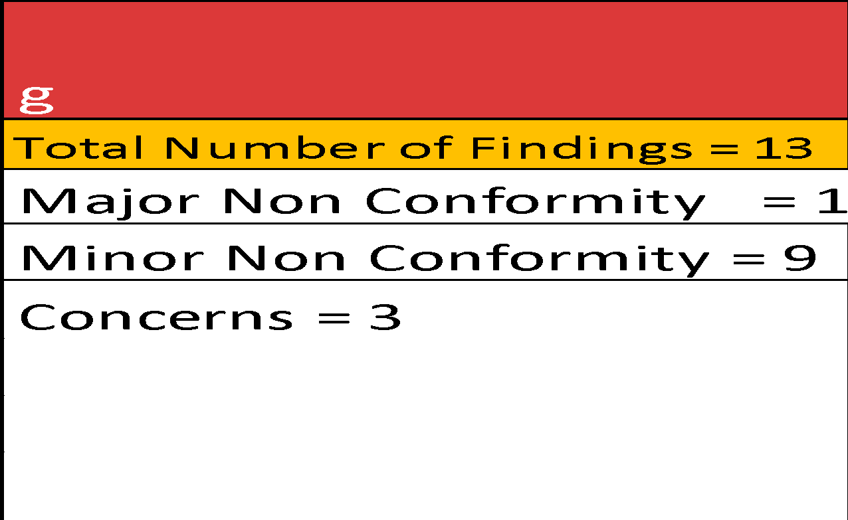
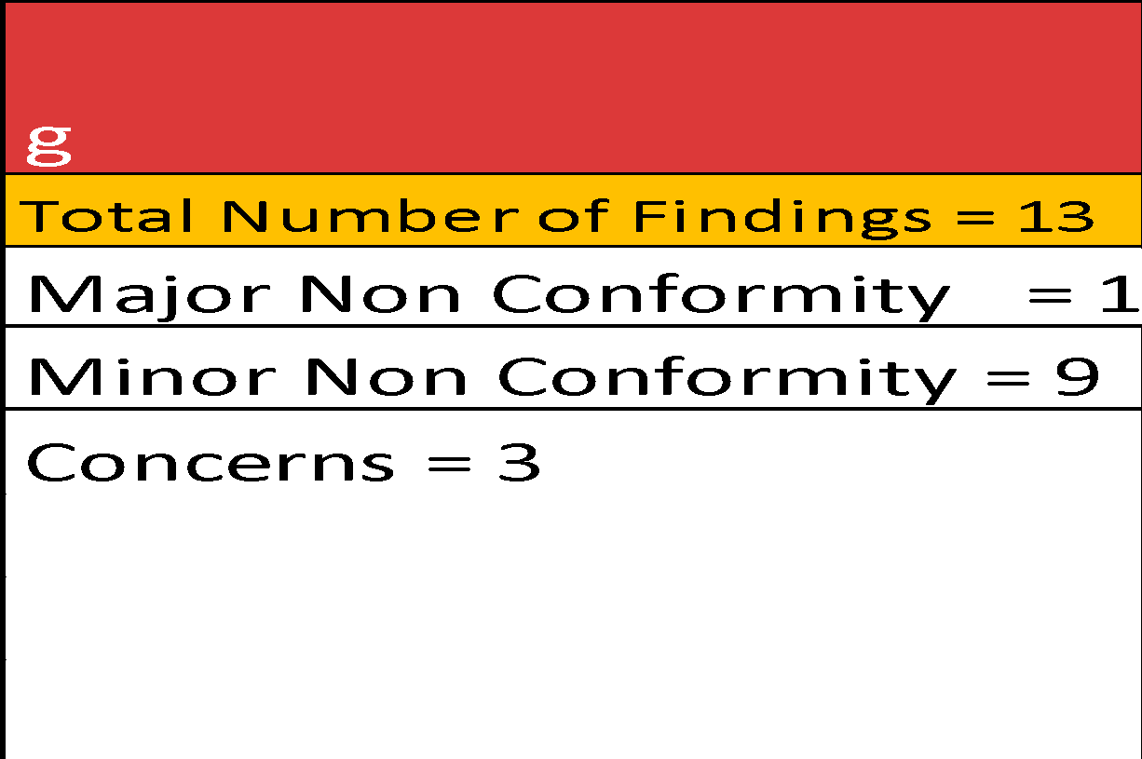

Prepared by:

Audit Team Lead Revew:

Security Contractor Audit 9


INSERT LOGO
 |  |  |  |  | SWDA-QHSE-F-3e-2025
 |  |  |  |  | REVISION:1
HSE AUDIT NON-CONFORMITY REPORT
Audit Title: HSEMS Internal Audit Audit Date: October 15th-17th and 20th, 2025
Audit Team:
Company Audited:

NCR. REF. NO. | Findings / Non Conformities | Classification (Major/Minor) | Corrective/Preventive Actions | Responsible Person | Target Closeout Date
88 | The fallen part of the fence at WSDS is yet to be fixed | Major | Prioritize repair of the fallen structure. Conduct a safety inspection to prevent recurrence | MTCE HOD | December 31, 2025
89 | Some of the CCTV Cameras are not working | Major | Repair or replace non-functional units and implement a maintenance schedule. | MTCE HOD | January 31, 2026
90 | Training certificates were not sighted. | Concern | Ensure all training sessions are documented with signed attendance and certificates issued. Maintain a training file for each staff. | Uju Njoku -MD (Crownhawk Express) | Henceforth
91 | No emergency contact displayed at the posts | Minor | Paste all emergency contacts at strategic points | (QHSE Supv.) | January 28, 2026
93 | Emergency drills are conducted but not documented | Minor | Conduct emergency drills on schedule,Record observations in drill sheets & communicate . | Security supv. | January 28, 2026
94 | Incidents are not properly documented. | Minor | Ensure all incidents are reported, recorded, investigated and properly documented | Security supv. | Henceforth-15/10/25
95 | Observed all informations are logged in, in a single book and are not very legible. | Concern | Every recorded information must be legible. | Security supv. | Henceforth-15/10/25
96 | There is an open communication line although some items diffcult because the access team does not have a mobile celephones | Major | Procure and distribute two-way radios to all key security posts. Include radio checks in daily routines | MD - Crownhawk Express | February 25, 2026
97 | Standard Operating Procedures were not sighted. | Minor | All operational procedures must be available at required points | Security supv. | January 28, 2026
98 | Lack of awareness and visibility of SWDA HSE Policies | Major | Conduct HSE policy awareness sessions for all security staff. Post updated policies at all security posts and common areas | (QHSE Supv.) | December 31, 2025
99 | Non-compliance to PPE usage by personnel in hazardous areas | Major | Re-train all designated personnel on PPE requirements. Enforce compliance through supervision and disciplinary measures. | (QHSE Supv.) | December 31, 2026
100 | Absence of a stationed vehicle, in case of an emergency | Major | Allocate a dedicated emergency response vehicle and conduct readiness drills. | MTCE HOD | January 28, 2026
101 | Absence of mirrors and radios, availability of only 3 torches for a sizeable number of staff | Minor | Procure additional torches and ensure they are functional and distributed. | Security supv. | January 28, 2026

Prepared by:
Audit Team Lead Revew:

